Dashboard
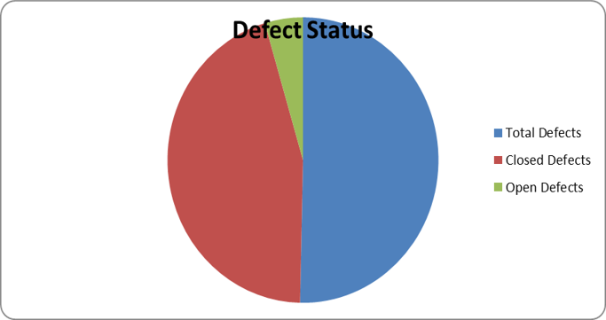
QA Test Metrics Dashboard

Metric | Value
Total Test Cases | 373
Executed Test Cases | 373
Passed | 229
Failed | 144
Total Defects | 144
Closed Defects | 129
Open Defects | 13
Deferred Defects | 2
Defect Rejection Ratio | 1.39%
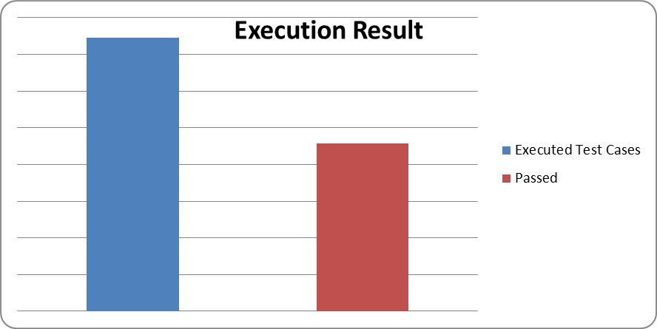
Test Case Effectiveness | 38.61%

KPI | Value
Pass Rate | 100.00%
Fail Rate | 61.39%
Defect Closure Rate | 100.00%
Open Defect Rate | 89.58%

